Housing copy
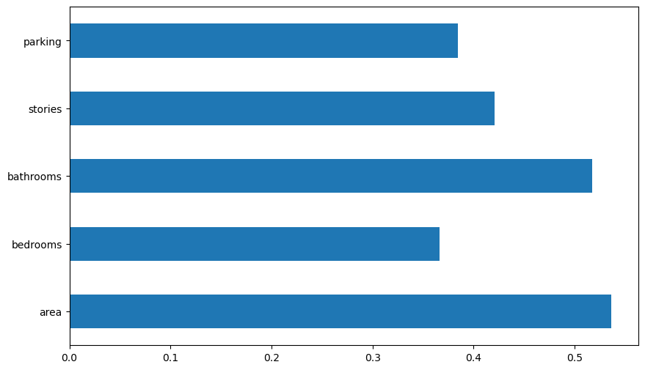
"Area" vs "Price"
7420 | 13300000
8960 | 12250000
9960 | 12250000
7500 | 12215000
7420 | 11410000
7500 | 10850000
8580 | 10150000
16200 | 10150000
8100 | 9870000
5750 | 9800000
13200 | 9800000
6000 | 9681000
6550 | 9310000
3500 | 9240000
7800 | 9240000
6000 | 9100000
6600 | 9100000
8500 | 8960000
4600 | 8890000
6420 | 8855000
4320 | 8750000
7155 | 8680000
8050 | 8645000
4560 | 8645000
8800 | 8575000
6540 | 8540000
6000 | 8463000
8875 | 8400000
7950 | 8400000
5500 | 8400000
7475 | 8400000
7000 | 8400000
4880 | 8295000
5960 | 8190000
6840 | 8120000
7000 | 8080940
7482 | 8043000
9000 | 7980000
6000 | 7962500
6000 | 7910000
6550 | 7875000
6360 | 7840000
6480 | 7700000
6000 | 7700000
6000 | 7560000
6000 | 7560000
6000 | 7525000
6600 | 7490000
4300 | 7455000
7440 | 7420000
...
Price Summary Statistics |  | Area Summary Statistics

Mean | 4766729.248 | Mean | 5150.541284
Standard Error | 80120.83026 | Standard Error | 92.95862804
Median | 4340000 | Median | 4600
Mode | 4200000 | Mode | 6000
Standard Deviation | 1870439.616 | Standard Deviation | 2170.141023
Sample Variance | 3.50E+12 | Sample Variance | 4709512.058
Kurtosis | 1.960130231 | Kurtosis | 2.751480187
Skewness | 1.212238837 | Skewness | 1.321188343
Range | 11550000 | Range | 14550
Minimum | 1750000 | Minimum | 1650
Maximum | 13300000 | Maximum | 16200
Sum | 2597867440 | Sum | 2807045
Count | 545 | Count | 545
Parking
0 | 299
1 | 126
2 | 108
3 | 12

 |  |  |  | Regression Output

 |  |  |  | Regression Statistics
 |  |  |  | Multiple R | 0.731844276
 |  |  |  | R Square | 0.535596044
 |  |  |  | Adjusted R Square | 0.532156015
 |  |  |  | Standard Error | 1279364.269
 |  |  |  | Observations | 545

Furnishing Status
furnished | 140
semi-furnished | 227
unfurnished | 178
 |  |  |  | ANOVA
 |  |  |  |  | df | SS | MS | F | Significance F
 |  |  |  | Regression | 4 | 1.02E+15 | 2.55E+14 | 155.6951983 | 1.68E-88
 |  |  |  | Residual | 540 | 8.84E+14 | 1.64E+12
 |  |  |  | Total | 544 | 1.90E+15

 |  |  |  |  | Coefficients | Standard Error | t Stat | P-value | Lower 95% | Upper 95% | Lower 95.0% | Upper 95.0%
 |  |  |  | Intercept | -282091.2904 | 252387.4636 | -1.117691372 | 0.264195835 | -777872.8382 | 213690.2575 | -777872.8382 | 213690.2575
 |  |  |  | X Variable 1 | 380.0244293 | 25.86364653 | 14.69338165 | 2.33E-41 | 329.2187414 | 430.8301172 | 329.2187414 | 430.8301172
 |  |  |  | X Variable 2 | 198295.494 | 85095.55966 | 2.330268405 | 0.02015945 | 31136.60395 | 365454.3841 | 31136.60395 | 365454.3841
 |  |  |  | X Variable 3 | 1200180.473 | 121586.7414 | 9.870981484 | 3.07E-21 | 961339.5181 | 1439021.428 | 961339.5181 | 1439021.428
 |  |  |  | X Variable 4 | 531595.0092 | 70778.76894 | 7.510656333 | 2.45E-13 | 392559.5471 | 670630.4713 | 392559.5471 | 670630.4713

Sheet1
Furnishing Status
furnished | 140
semi-furnished | 227
unfurnished | 178
Guest Room
yes | 97
no | 448
Parking
0 | 299
1 | 126
2 | 108
3 | 12

Main Road?
yes | 468
no | 77
Air Condition
yes | 172
no | 373

Basement
yes | 191
no | 354
Hotwater Heater
yes | 25
no | 520

